CABRI
FLIGHT NOTIFICATION

Helicopter |  | HB-ZLS |  |  | Date | 09.12.2024

Crew |  |  |  |  | Numb of PAX

Type of flight

Routing |  | Departure |  |  | Interm Ldg |  | Destination

Route:

Latest return

Fuel Calculation |  | Fuel Flow (L/H) | Time | Fuel (L)
Trip |  | 40 | 0:40:00 | 27
Alternate |  |  | 0:10:00 | 7
Final Reserve |  |  | 0:20:00 | 13
Minimum Block |  |  | 1:10:00 | 47
Extra |  |  | 0:10:00 | 7
Actual Block |  |  | 1:20:00 | 53

Weather

Visibility
 |  | Dir (°) | Wind (kt) | Temp (°C) | ∆ ISA
5000 ft |  |  |  | 10
10'000 ft |  |  |  | 20
18'000 ft

Planning

Fuel: |  | 53 | L

TOM |  | 639 | KG

Max HOGE |  |  | FT

PAX LIST

Name |  |  | Adress |  | ZIP/City

Guimbal Cabri G2 - Center of Gravity Calculation |  |  |  |  |  | HB-ZLS |  |  | Hover in Ground Effect
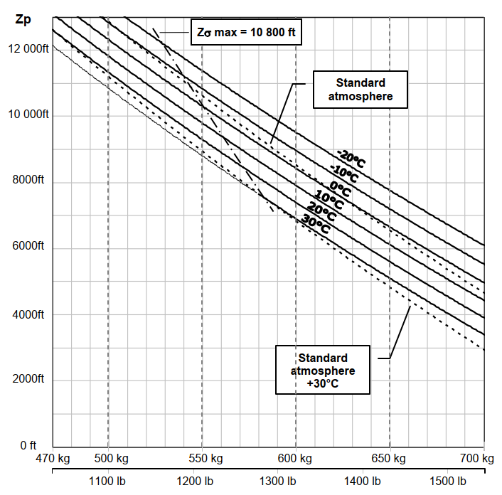

 |  |  |  | Weight (kg) | Long. Arm | Moment | Lat. Arm | Moment
Empty weight (AFM) |  |  |  | 440.40 | 2208 | 972403 | -4 | -1762
Pilot |  |  |  | 85 | 1300 | 110500 | 320 | 27200
Co-Pilot |  |  |  | 75 | 1300 | 97500 | -280 | -21000
Main luggage |  |  |  |  | 1854 | 0 | 323 | 0
Front luggage |  |  |  |  | 325 | 0 | 0 | 0
Left seat removed |  |  | FALSE | 0.0 | 1300 | 0 | -280 | 0
Right door removed |  |  | FALSE | 0.0 | 1250 | 0 | 600 | 0
Left door removed |  |  | FALSE | 0.0 | 1250 | 0 | -600 | 0
 |  |  |  |  | C.G. 1 |  | C.G. 1
Zero fuel weight |  |  |  | 600 | 1966 | 1180403 | 7 | 4438

Fuel (Liter) |  |  | 53 | 38 | 1886 | 72322 | -338 | -12961

 |  |  | 0 | 13000 | C.G. 2 |  | C.G. 2
Take-off weight |  |  | 639 | 639 | 1961 | 1252725 | -13 | -8523

Longitudinal Weight and Balance diagram
Lateral Balance diagram

 |  |  | 13000 |  |  | 3000 |  |  | Hover Out of Ground Effect
 |  |  | 0 |  |  | 0

Temp | Alt | Temp
10 | 5000 | -96.470588235 | -123.47058824
20 | 10000 | 20 | 0

Fuel | Act. TOM
0 | 600
20 | 615
40 | 629
60 | 644
80 | 658
100 | 672
120 | 687
140 | 701
160 | 715
170 | 723

Flight Risk Assessment

Good | Action | Nogo |  |  | Action to be taken
 |  |  | I'M SAFE
 |  |  | Heli ready to go
 |  |  | Experience on type
 |  |  | Weather conditions
 |  |  | Performance margin
 |  |  | Route planned
 |  |  | Plan B ready and suitable
 |  |  | first time mission
 |  |  | timing / schedule

Good | everything is ok and ready to go
Action | this can be a completely different action depending on the problem. The action has to lead to proper and suitable SOLUTION OF THE PROBLEM for the pilot flying
NOGO | Remain on ground or decide for a completely different program

Note your risk keypoint of the flight

 | Legende einfügen

Please send the following to the email adress of your departure base and your todays flight instructor/duty manager:

Gordola |  | xxxx@swisshelicopter.ch
Gruyere |  | xxxx@swisshelicopter.ch
Balzers / Untervaz |  | xxxx@swisshelicopter.ch
Belp |  | xxxx@swisshelicopter.ch
Pfaffnau |  | xxxx@swisshelicopter.ch

